Xhibit Case Notes
Field Format | Description
An | Alphanumeric (any character in the agreed character set) of maximum length n characters
Nn | Numeric (characters 0-9) of maximum length n characters
D10 | A valid calendar date in the format CCYY-MM-DD, e.g., 2001-08-12 for 12th August 2001
(+)N16.2 | A monetary value in GBP currency with a leading sign (positive) indicator followed by an amount in pounds and pence, e.g. +0.00
DT29 | A valid date and time in a round-trip datetime pattern in the format CCYY-MM-DD’T’HH’:’mm’:’ss’.’fff’Z’K, e.g. 2012-09-27T08:51:40.014Z[UTC] for 27th September 2012 at 08:51:40 in the morning where 014 is the time to the milliseconds, Z signifies “Zulu” time denoting a UTC time zone

Mandatory Data Values
M | Mandatory - a value is required
CM | Conditional Mandatory – The field may or may not exist. The business rules define the conditions under which a value must appear in the field.
O | Optional - the field / data item may or may not be present

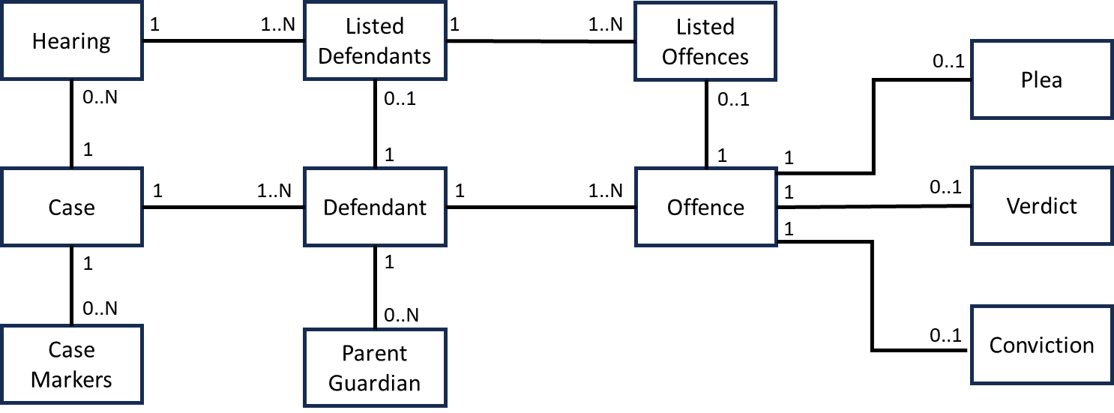
Cardinality (Xhibit Case)

Level |  |  |  | Occurrence
1 | Case |  |  | 1
2 |  | Defendant |  | 1..N
2 |  | Case Marker |  | 0..N
2 |  | Parent / Guardian |  | 0..1
3 |  | Offence |  | 1..N
3 |  | Hearing |  | 0..N
4 |  |  | Listed Defendants | 0..N
5 |  |  | Listed Offences | 1..N

Cardinality (Manifest)

Level |  |  |  | Occurrence
1 | Case |  |  | 1
2 |  | Material |  | 0..N

